How to enter fi61er
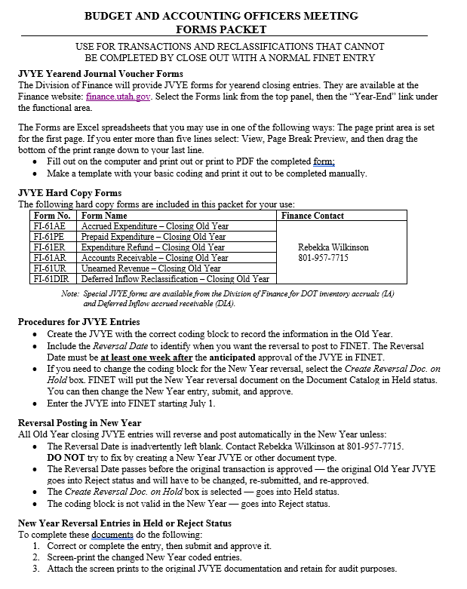
See also the Budget and Accounting Officers June 2023 Reference Guide (M.2, page 30).

Expenditure Refund
FI–61ER |  |  | EXPENDITURE REFUND — Closing Old Year
FY
23
 |  |  |  |  |  | Department Name
 |  |  |  |  |  | Division |  |  |  |  |  |  | JVYE __ __ __ |  | 23ER _ _ _ _ _ _
 |  |  |  |  |  |  |  |  |  |  |  |  | Department |  | ADNT Prefix
 |  |  | 06/2023 |  |  | Dept. Control Number |  |  |  |  |  |  |  |  | Debit Amount | Credit Amount
 |  |  | Division of Finance |  |  |  |  |  |  |  |  |  |  |  | - | -
Header
Create Reversal Doc. on Hold – to change New Year coding
Budget FY: |  | 2023 |  | Fiscal Year: |  | 2023 |  |  | Period: | 13 |  | Reversal Date:
 |  |  |  |  |  |  |  |  |  |  |  | * * * Required * * * |  | After Anticipated Approval Date
Line Group

 | Event Type: |  | GA24 |  | Line Group Description - max 60 (Optional):

Accounting
 |  |  | Balance Sheet Closing Entry Posting Code A016
Line | Posting Code | Line Description - max 100 |  |  |  |  |  |  |  |  |  |  |  |  | Debit Amount | Credit Amount
 | Fund | Department | Unit | Appr Unit | Object | Sub Object | Revenue |  | BSA | Dept Revenue | Activity | Function | Program | Phase

01 | A016
 |  |  |  |  |  |  |  |  | 1010

 |  |  | Expenditure Accounts — Refunded Posting Code D014
02 | D014

03 | D014

04 | D014

05 | D014

 | Approved: |  |  |  |  |  |  |  |  |  | Entered By:
 |  |  |  |  |  |  |  | Date |  |  |  |  |  |  |  | Date

Accounting
 |  |  | Expenditure Accounts — Refunded Posting Code D014
Line | Posting Code | Line Description - max 100 |  |  |  |  |  |  |  |  |  |  |  |  | Debit Amount | Credit Amount
 | Fund | Department | Unit | Appr Unit | Object | Sub Object | Revenue |  | BSA | Dept Revenue | Activity | Function | Program | Phase

06 | D014

07 | D014

08 | D014

09 | D014

10 | D014

11 | D014

12 | D014

13 | D014

14 | D014

15 | D014

16 | D014

17 | D014

Accounting
 |  |  | Expenditure Accounts — Refunded Posting Code D014
Line | Posting Code | Line Description - max 100 |  |  |  |  |  |  |  |  |  |  |  |  | Debit Amount | Credit Amount
 | Fund | Department | Unit | Appr Unit | Object | Sub Object | Revenue |  | BSA | Dept Revenue | Activity | Function | Program | Phase

18 | D014

19 | D014

20 | D014

21 | D014

22 | D014

23 | D014

24 | D014

25 | D014

26 | D014

27 | D014

28 | D014

29 | D014

Accounting
 |  |  | Expenditure Accounts — Refunded Posting Code D014
Line | Posting Code | Line Description - max 100 |  |  |  |  |  |  |  |  |  |  |  |  | Debit Amount | Credit Amount
 | Fund | Department | Unit | Appr Unit | Object | Sub Object | Revenue |  | BSA | Dept Revenue | Activity | Function | Program | Phase

30 | D014

31 | D014

32 | D014

33 | D014

34 | D014

35 | D014

36 | D014

37 | D014

38 | D014

39 | D014

40 | D014

