How to enter fi61ar
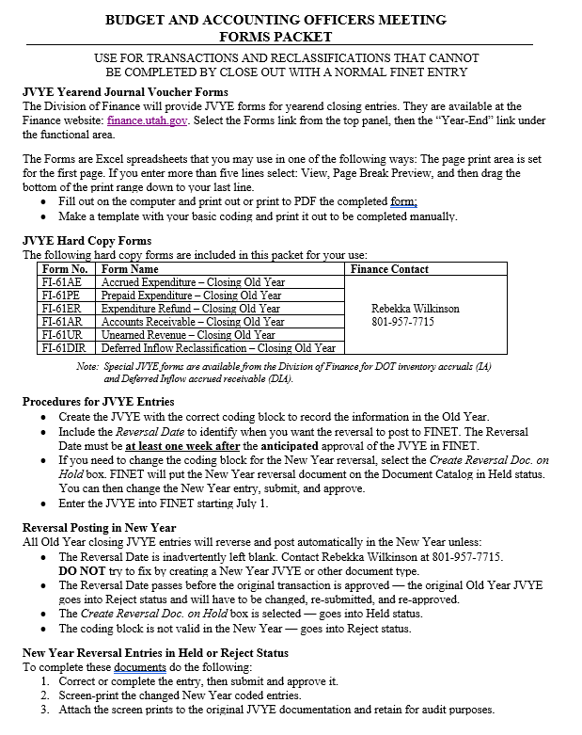
See also the Budget and Accounting Officers June 2023 Reference Guide (M.2, page 30).

Accounts Receivable
FI–61AR |  |  | ACCOUNTS RECEIVABLE — Closing Old Year
FY
23
 |  |  |  |  |  | Department Name
 |  |  |  |  |  | Division |  |  |  |  |  |  | JVYE __ __ __ |  | 23AR _ _ _ _ _ _
 |  |  |  |  |  |  |  |  |  |  |  |  | Department |  | ADNT Prefix
 |  |  | 06/2023 |  |  | Dept. Control Number |  |  |  |  |  |  |  |  | Debit Amount | Credit Amount
 |  |  | Division of Finance |  |  |  |  |  |  |  |  |  |  |  | - | -
Header
Create Reversal Doc. on Hold – to change New Year coding
Budget FY: |  | 2023 |  | Fiscal Year: |  | 2023 |  |  | Period: | 13 |  | Reversal Date:
 |  |  |  |  |  |  |  |  |  |  |  | * * * Required * * * |  | After Anticipated Approval Date
Line Group

 | Event Type: |  | GA31 |  | Line Group Description - max 60 (Optional):

Accounting
 |  |  | Balance Sheet Closing Entry Posting Code A016
Line | Posting Code | Line Description - max 100 |  |  |  |  |  |  |  |  |  |  |  |  | Debit Amount | Credit Amount
 | Fund | Department | Unit | Appr Unit | Object | Sub Object | Revenue |  | BSA | Dept Revenue | Activity | Function | Program | Phase

01 | A016
 |  |  |  |  |  |  |  |  | 1010

 |  |  | Revenue Accounts — Accrued Posting Code R003
02 | R003

03 | R003

04 | R003

05 | R003

 | Approved: |  |  |  |  |  |  |  |  |  | Entered By:
 |  |  |  |  |  |  |  | Date |  |  |  |  |  |  |  | Date

Accounting
 |  |  | Revenue Accounts — Accrued Posting Code R003
Line | Posting Code | Line Description - max 100 |  |  |  |  |  |  |  |  |  |  |  |  | Debit Amount | Credit Amount
 | Fund | Department | Unit | Appr Unit | Object | Sub Object | Revenue |  | BSA | Dept Revenue | Activity | Function | Program | Phase

06 | R003

07 | R003

08 | R003

09 | R003

10 | R003

11 | R003

12 | R003

13 | R003

14 | R003

15 | R003

16 | R003

17 | R003

Accounting
 |  |  | Revenue Accounts — Accrued Posting Code R003
Line | Posting Code | Line Description - max 100 |  |  |  |  |  |  |  |  |  |  |  |  | Debit Amount | Credit Amount
 | Fund | Department | Unit | Appr Unit | Object | Sub Object | Revenue |  | BSA | Dept Revenue | Activity | Function | Program | Phase

18 | R003

19 | R003

20 | R003

21 | R003

22 | R003

23 | R003

24 | R003

25 | R003

26 | R003

27 | R003

28 | R003

29 | R003

Accounting
 |  |  | Revenue Accounts — Accrued Posting Code R003
Line | Posting Code | Line Description - max 100 |  |  |  |  |  |  |  |  |  |  |  |  | Debit Amount | Credit Amount
 | Fund | Department | Unit | Appr Unit | Object | Sub Object | Revenue |  | BSA | Dept Revenue | Activity | Function | Program | Phase

30 | R003

31 | R003

32 | R003

33 | R003

34 | R003

35 | R003

36 | R003

37 | R003

38 | R003

39 | R003

40 | R003

